Sheet1
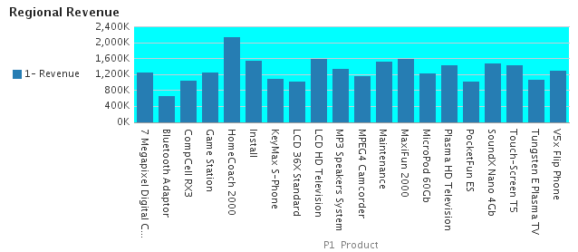
C50 Region | AMERICAS

